MembershipType
Question
Management would like to know how many members there are by membership package type, and whether they are a student or not.
Analysis
As we can see, most of the memberships being purchased are not students, with only 24% of members who are Students. We dont see a particularly popular membership level as they are all within 60 members of each other.
Recomendation
Since Denver Peak Performance is looking to have more students as members, it is troubling that we see less then 25% of members who are students.
To increase the number of student members we would recommend advertising to local college and high school campuses and to offer a deal for students to get a discount on their memberships.
Count of Member_SK | Column Labels
Membership Type | Not Student | Student | Grand Total
Bronze | 131 | 35 | 166
Bronze Family | 112 | 29 | 141
Gold | 152 | 48 | 200
Gold Family | 109 | 43 | 152
Silver | 131 | 46 | 177
Silver Family | 125 | 39 | 164
Grand Total | 760 | 240 | 1000
Count of Members by Membership Type

Advisor Popularity
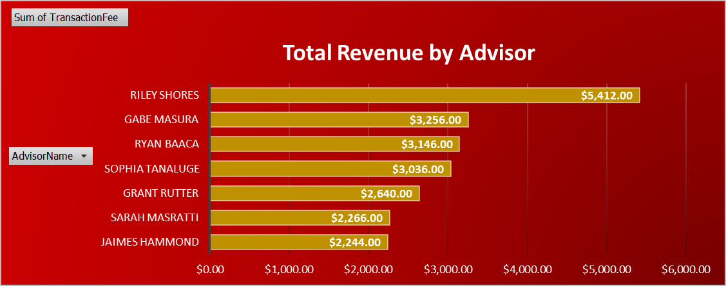
Question
Management is wondering which of the fitness advisors is getting the most clients. Calculate how many members are assigned to each advisor by member and age group.
Analysis
According to the data, all advisors have the same average age of clients along with count of clients. This is likely because data collection is still new to Peak Performance and these numbers will eventually begin to vary as more data is able to be collected and analyzed. However, despite similar client sizes and ages, revenues generated by each advisor are different because of different membership types.
Recomendation
Continue to collect data as much as possible so that discrepancies can be accurately tracked amongst advisors in terms of customers and demographic. It may also be worth attempting to broden the age range of clients outside of just college students.
Fitness Advisors | Count of Clients | Average Client Age | Sum of Transaction Fees
Gabe Masura | 20 | 19 | $3,256.00
Grant Rutter | 20 | 19 | $2,640.00
Jaimes Hammond | 20 | 19 | $2,244.00
Riley Shores | 20 | 19 | $5,412.00
Ryan Baaca | 20 | 19 | $3,146.00
Sarah Masratti | 20 | 19 | $2,266.00
Sophia Tanaluge | 20 | 19 | $3,036.00
Grand Total | 20 | 19 | $22,000.00

